FCNF-Solver Cost Model
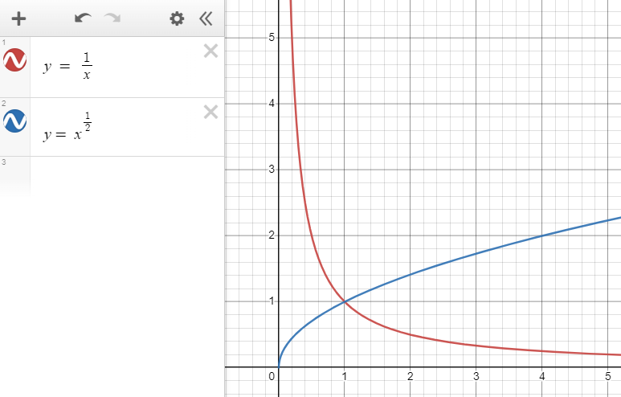
Fixed Cost Scalar ($/unit distance)
Arc Data (All data is annualized. The "per year" has been dropped from units.)
ID | Capacity (unit flow) | fc Fixed Cost Scalar ($/unit distance) | vc Variable Cost Scalar ($/unit distance/unit flow) | Total Cost at Capacity ($/unit distance) | Total Cost Per Unit Flow at Capacity ($/unit distance/unit flow)
1 | 0.19 | 0.012381480273 | 0.010685656016 | 0.014411754916 | 0.075851341661
2 | 0.54 | 0.014099400182 | 0.0045005888684 | 0.016529718171 | 0.030610589206
3 | 1.13 | 0.016216406141 | 0.0027475015682 | 0.019321082913 | 0.017098303463
4 | 3.25 | 0.021695290358 | 0.0017008604514 | 0.027223086825 | 0.0083763344077
5 | 6.86 | 0.030974862825 | 0.0014072824832 | 0.04062882066 | 0.0059225686093
6 | 12.26 | 0.041795733287 | 0.0012908691005 | 0.057621788459 | 0.0046999827454
7 | 19.69 | 0.055473248849 | 0.0012350636828 | 0.079791652764 | 0.0040523947569
8 | 35.13 | 0.077642542402 | 0.0011945923818 | 0.11960857278 | 0.0034047416105
9 | 56.46 | 0.10471596633 | 0.0011750941349 | 0.17106178118 | 0.0030297871268
10 | 83.95 | 0.13675195617 | 0.001164578466 | 0.23451831839 | 0.0027935475687
11 | 119.16 | 0.17274768637 | 0.0010987884799 | 0.30367932164 | 0.0025485005173
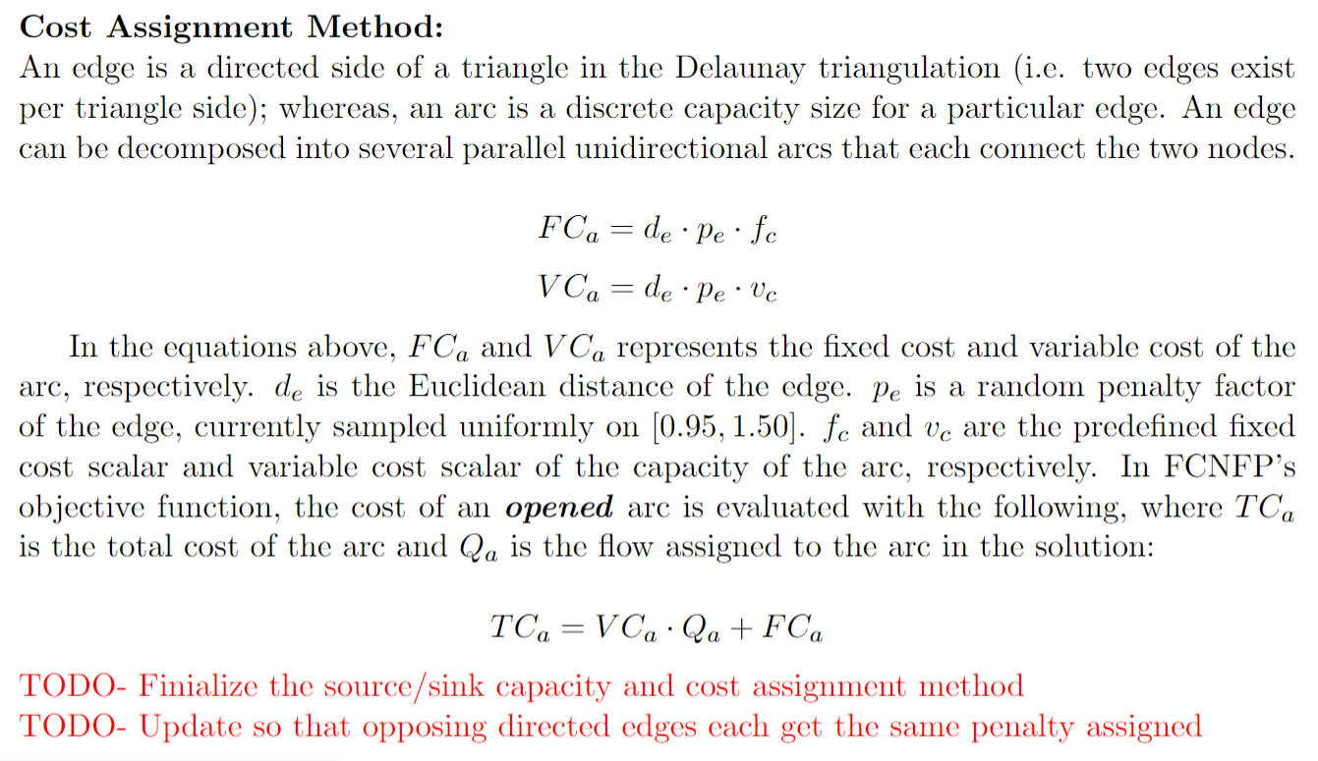
Variable Cost Scalar ($/unit distance/unit flow)
Source Data
Statistic | Emissions (unit flow)
Min | 0.023
Max | 2.07
Average | 0.342
Median | 0.161

Sink Data
Statistic | Capture (unit flow)
Min | 0.4
Max | 0.8

 |  |  |  |  |  | Can we replace the tabular data with functions that capture the same trends and can be tuned/parameterized?

SimCCS Pipeline Model
Linear regression coefficients that SimCCS uses.
ID | SLOPE | INTERCEPT
1 | 0.115719152 | 0.431655132
2 | 0.078306697 | 0.770037049

 | Information below here is given to show where the SimCCS transport coefficients come from.

 | Scenario #1
 | Assumptions
 |  |  |  | Value |  | Comments |  |  |  |  |  | Reference
 | Segment length: |  |  | 80 km (50 miles) |  | Typical modeled segment length. |  |  |  |  |  | Elkamel, Ali, Basil Khan, Emmanuel Ikhile, Manuel Tejeda, Mosopefoluwa Cole, Alaa Alalawi, and Hesham Alhumade. "Design and Optimization of a CO2 Pipeline Network for the Province of Alberta."
 | Segment inlet pressure: |  |  | 15 Mpa (2175 psi) |  | Max allowable pressure drop over 80 km. |  |  |  |  |  | Elkamel, Ali, Basil Khan, Emmanuel Ikhile, Manuel Tejeda, Mosopefoluwa Cole, Alaa Alalawi, and Hesham Alhumade. "Design and Optimization of a CO2 Pipeline Network for the Province of Alberta."
 | Segment outlet pressure: |  |  | 8.6 Mpa (1250 psi) |  | Max allowable pressure drop over 80 km. |  |  |  |  |  | Elkamel, Ali, Basil Khan, Emmanuel Ikhile, Manuel Tejeda, Mosopefoluwa Cole, Alaa Alalawi, and Hesham Alhumade. "Design and Optimization of a CO2 Pipeline Network for the Province of Alberta."
 | Pumps per 100 miles: |  |  | 2 |  | Typical modeled segment length. |  |  |  |  |  | Elkamel, Ali, Basil Khan, Emmanuel Ikhile, Manuel Tejeda, Mosopefoluwa Cole, Alaa Alalawi, and Hesham Alhumade. "Design and Optimization of a CO2 Pipeline Network for the Province of Alberta."
 | Construction cost model: |  |  | PARKER |  | Expert opinion (National Petroleum Council). |  |  |  |  |  | Parker, N., 2004. "Using Natural Gas Transmission Pipeline Costs to Estimate Hydrogen Pipeline Costs", UCD-ITS-RR-04-35, Institute of Transportation Studies, UC Davis.
 | Region: |  |  | MW (Midwest) |  | PARKER doesn't have regional cost differences. |  |  |  |  |  | -
 | Pipeline capacity factor: |  |  | 0.8 |  | 0.8 capacity factor aligns with industry standard and original MIT work. |  |  |  |  |  | MIT reference and default NETL tool value.
 | Capital Charge Factor: |  |  | 0.11 |  | Typical CCF for industry. |  |  |  |  |  | -

 | ALl |  | Piece #1 |  | Piece #2
0.19 | 0.43 | 0.10 | 0.44 | 3.25 | 1.02
0.54 | 0.50 | 12.26 | 1.85 | 119.16 | 10.10
1.13 | 0.58
3.25 | 0.82
6.86 | 1.22
12.26 | 1.73
19.69 | 2.39
35.13 | 3.59
56.46 | 5.13
83.95 | 7.04
119.16 | 9.11
 | ALl |  | Piece #1 |  | Piece #2
0.19 | 0.43 | 0.10 | 0.44 | 3.25 | 1.02
0.54 | 0.50 | 12.26 | 1.85 | 119.16 | 10.10
1.13 | 0.58
3.25 | 0.82
6.86 | 1.22
12.26 | 1.73
19.69 | 2.39
35.13 | 3.59
56.46 | 5.13
83.95 | 7.04
119.16 | 9.11
 | ALl |  | Piece #1 |  | Piece #2
0.19 | 0.43 | 0.10 | 0.44 | 3.25 | 1.02
0.54 | 0.50 | 12.26 | 1.85 | 119.16 | 10.10
1.13 | 0.58
3.25 | 0.82
6.86 | 1.22
12.26 | 1.73
19.69 | 2.39
35.13 | 3.59
56.46 | 5.13
83.95 | 7.04
119.16 | 9.11
 |  | capacity | ID | Fixed Cost ($/unit distance) |  |  |  |  |  |  | Variable cost ($/unit distance / unit flow)
 | ID | CO2 flow | Pipeline diameter | Capital cost | O&M cost | Estimated total cost | SimCCS estimate | Error | Absolute error
 |  | MtCO2/yr | inches | $M/km | $M/km | $M/km | $M/km | % | Fraction | Total project variable cost | variable cost per unit flow
 | 1 | 0.19 | 4 | 0.37 | 0.01 | 0.43 | 0.45 | 5% | 5% | 0.06 | 0.010685656016
 | 2 | 0.54 | 6 | 0.42 | 0.01 | 0.50 | 0.49 | 0% | 0% | 0.07 | 0.0045005888684
Input data for transport (e.g., from FE/NETL model)
 | 3 | 1.13 | 8 | 0.49 | 0.01 | 0.58 | 0.56 | -3% | 3% | 0.09 | 0.0027475015682
 | 4 | 3.25 | 12 | 0.65 | 0.02 | 0.82 | 0.81 | -1% | 1% | 0.17 | 0.0017008604514
 | 5 | 6.86 | 16 | 0.93 | 0.03 | 1.22 | 1.23 | 1% | 1% | 0.29 | 0.0014072824832
 | 6 | 12.26 | 20 | 1.25 | 0.05 | 1.73 | 1.73 | 0% | 0% | 0.47 | 0.0012908691005
 | 7 | 19.69 | 24 | 1.66 | 0.08 | 2.39 | 2.31 | -3% | 3% | 0.73 | 0.0012350636828
 | 8 | 35.13 | 30 | 2.33 | 0.14 | 3.59 | 3.52 | -2% | 2% | 1.26 | 0.0011945923818
 | 9 | 56.46 | 36 | 3.14 | 0.22 | 5.13 | 5.19 | 1% | 1% | 1.99 | 0.0011750941349
 | 10 | 83.95 | 42 | 4.10 | 0.32 | 7.04 | 7.34 | 4% | 4% | 2.93 | 0.001164578466
 | 11 | 119.16 | 48 | 5.18 | 0.43 | 9.11 | 10.10 | 11% | 11% | 3.93 | 0.0010987884799
 |  |  |  |  |  |  | AVG | 1% | 3%
 |  |  |  |  |  |  | MIN | -3% | 0%
 |  |  |  |  |  |  | MAX | 11% | 11%
 |  | Start ID | End ID | Slope | Intercept | R2 | X1 | Y1 | X2 | Y2
 | LINE 1 | 1 | 5 | 0.11571915158 | 0.43165513201 | 1.00 | 0.10 | 0.44 | 12.26 | 1.85
 | LINE 2 | 5 | 9 | 0.078306696563 | 0.77003704868 | 1.00 | 3.25 | 1.02 | 119.16 | 10.10

Linear regression coefficients that SimCCS uses.

 | ALl |  | Piece #1 |  | Piece #2
0.19 | 0.43 | 0.10 | 0.44 | 3.25 | 1.02
0.54 | 0.50 | 12.26 | 1.85 | 119.16 | 10.10
1.13 | 0.58
3.25 | 0.82
6.86 | 1.22
12.26 | 1.73
19.69 | 2.39
35.13 | 3.59
56.46 | 5.13
83.95 | 7.04
119.16 | 9.11
 | ALl |  | Piece #1 |  | Piece #2
0.19 | 0.43 | 0.10 | 0.44 | 3.25 | 1.02
0.54 | 0.50 | 12.26 | 1.85 | 119.16 | 10.10
1.13 | 0.58
3.25 | 0.82
6.86 | 1.22
12.26 | 1.73
19.69 | 2.39
35.13 | 3.59
56.46 | 5.13
83.95 | 7.04
119.16 | 9.11
 | ALl |  | Piece #1 |  | Piece #2
0.19 | 0.43 | 0.10 | 0.44 | 3.25 | 1.02
0.54 | 0.50 | 12.26 | 1.85 | 119.16 | 10.10
1.13 | 0.58
3.25 | 0.82
6.86 | 1.22
12.26 | 1.73
19.69 | 2.39
35.13 | 3.59
56.46 | 5.13
83.95 | 7.04
119.16 | 9.11

 | ALl |  | Piece #1 |  | Piece #2
0.19 | 0.43 | 0.10 | 0.44 | 3.25 | 1.02
0.54 | 0.50 | 12.26 | 1.85 | 119.16 | 10.10
1.13 | 0.58
3.25 | 0.82
6.86 | 1.22
12.26 | 1.73
19.69 | 2.39
35.13 | 3.59
56.46 | 5.13
83.95 | 7.04
119.16 | 9.11

